Supplementary Table S3
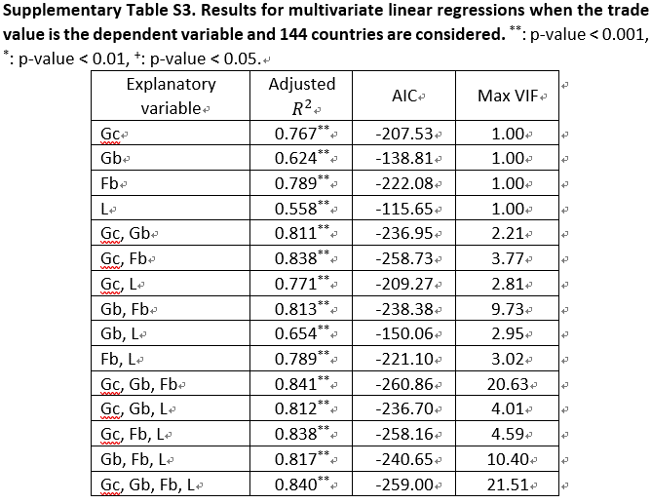
Explanatory variable | Adjusted R2 | p-value | AIC | Max VIF | # observations
Gc | 0.767 | ** | -207.53 | 1 | 144
Gb | 0.624 | ** | -138.81 | 1 | 144
Fb | 0.789 | ** | -222.08 | 1 | 144
L | 0.558 | ** | -115.65 | 1 | 144
Gc, Gb | 0.811 | ** | -236.95 | 2.21 | 144
Gc, Fb | 0.838 | ** | -258.73 | 3.77 | 144
Gc, L | 0.771 | ** | -209.27 | 2.81 | 144
Gb, Fb | 0.813 | ** | -238.38 | 9.73 | 144
Gb, L | 0.654 | ** | -150.06 | 2.95 | 144
Fb, L | 0.789 | ** | -221.1 | 3.02 | 144
Gc, Gb, Fb | 0.841 | ** | -260.86 | 20.63 | 144
Gc, Gb, L | 0.812 | ** | -236.7 | 4.01 | 144
Gc, Fb, L | 0.838 | ** | -258.16 | 4.59 | 144
Gb, Fb, L | 0.817 | ** | -240.65 | 10.4 | 144
Gc, Gb, Fb, L | 0.84 | ** | -259 | 21.51 | 144

